error
Delete babassu
 |  | Delete

Delete pur-minerals

Delete ilia

Nudestix | 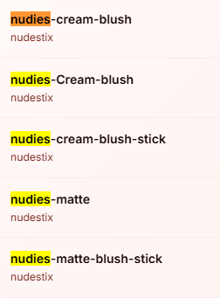

Makeup revolution

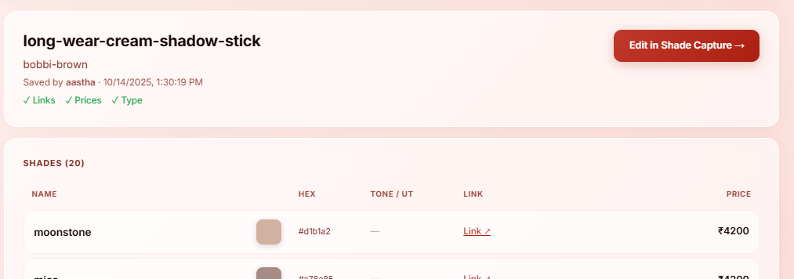

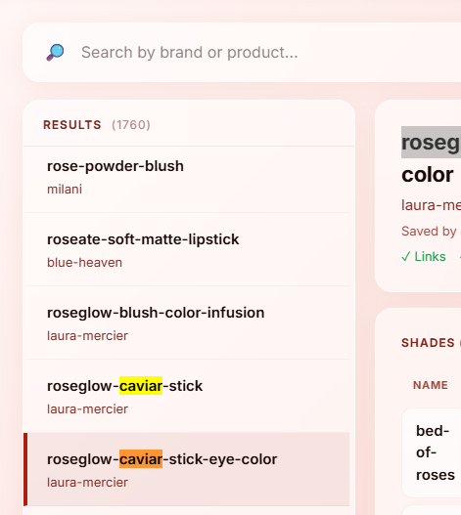

 |  |  |  | Delete Any 1 of caviar stick
 |  |  |  | Delete in US data



 |  | Delete both | Delete in US data

 |  |  | Delete in US data

 |  |  | Delete in indian data

 |  |  | Delete in indian data

 |  |  | Delete in US data

 |  |  | Delete in US data

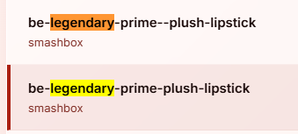
 |  |  | erase 1 extra dash in indian data

 |  |  | Delete in indian data

 |  |  | Delete in US data

 |  |  | Delete in US data

